Recommended Board Games 2026
 | Recommended Board Games 2026 - Dive in!
 | Name | Target audience * | Number of players | Description | Product code
1 | 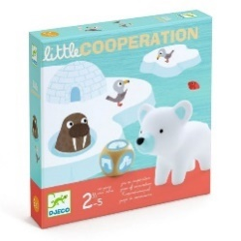 Little Cooperation (multilingual) | 3 years and up | 2-4 | On the ice floe, four little animals are trying to get back to their igloo. But the ice bridge is threatening to collapse. A cooperative game to learn how to play and win together. | 3070900085558
2 | 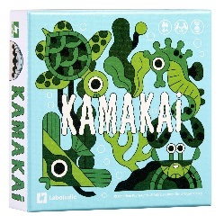 Kamakai (multilingual) | 4 years and up | 2-5 | Meet the animals that inhabit the seas. But beware: the terrible tiger shark Kamakai prowls these waters! Try to collect one of each type of animal without them running away at the sight of the famous predator. | 9791036367588
3 | 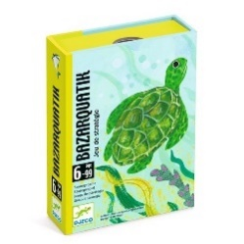 Bazarquatik (multilingual) | 6 years and up | 2-4 | Dive into the mysterious depths of the ocean, where every choice counts! Place your cards wisely to avoid traps and win the game. | 3070900050761
4 | Aqua (English edition) | 8 years and up | 1-4 | Grow your corals and develop biodiversity! The game has numerous challenges and modes of play, including a single-player mode. | 700304158505
5 | Reef (multilingual) | 8 years and up | 2-4 | In this game, take on the role of a coral reef! Each turn, choose your colours and arrangement to become the most beautiful reef to win. | 826956610205
6 | Sea Salt & Paper (English edition) | 8 years and up | 2-4 | Create your own ocean with origami! Play your cards wisely to make combos that will help you win the game. A risk-taking game with a marine theme! | 3760267991073
7 | The Crew: Mission Deep Sea (multilingual) | 10 years and up | 2-5 | Assemble your crew: you are about to embark on an incredible expedition to the bottom of the ocean! Will you find the legendary lost continent of Mu? A cooperative game where each person has an important role to play. | 814743015975
8 | 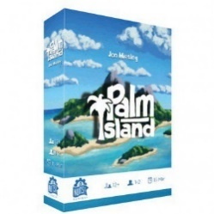 Palm Island (English edition) | 12 years and up | 1-2 | Shape your island and develop a strong and prosperous village! Whether you play solo, competitively or cooperatively, this portable game offers plenty of possibilities. (You don’t even need a table to play!) | 16002375352371
9 | 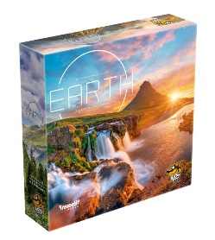 Earth (English edition) | 13 years and up | 1-5 | Dive into rich environments and create stunning synergies that replicate the incredible versatility of Earth’s natural resources. A Quebec game that won multiple awards in 2023. | 619264453127
10 | 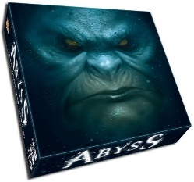 Abyss (English edition) | 14 years and up | 2-4 | Creatures reign supreme in the depths of the ocean. Their kingdom, Abyss, is respected by all allied peoples, who are glad to receive protection from the fearsome monsters of the deep. But soon, the throne will be vacant—will you claim it? | 3770000010138

 | * The target audience is determined by the manufacturer. The age is provided for informational purposes only and may vary depending on the children’s abilities.

